Hoja1
2024-02-22
,

BUENOS AIRES luquearti@gmail.com
BUENOS AIRES luquecarlos@speedy.com.ar
____________________________________________________________________________________
"BISAGRAS tipo 5005”
“Hierro PULIDO o BRONCEADO”
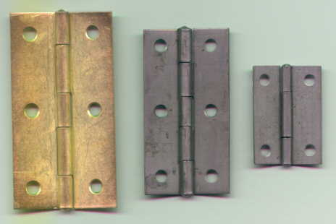
“Bisagra LIBRO"

COD. | DESCRIPCION | PRECIO
BI-1000 | 12 Pares Bisagra t/5005 19mm. / 3/4 HºPulido | $ 602.35
BI-1001 | 12 Pares Bisagra t/5005 25mm. / 1" HºPulido | $ 680.00
BI-1002 | 12 Pares Bisagra t/5005 38mm. / 1 1/2" HºPulido | $ 709.05
BI-1003 | 12 Pares Bisagra t/5005 51mm / 2" HºPulido | $ 1,225.63
BI-1004 | 12 Pares Bisagra t/5005 63mm. / 2 1/2" HºPulido | $ 1,512.19
BI-1005 | 12 Pares Bisagra t/5005 76mm. / 3" HºPulido | $ 2,005.80
BI-1006 | 12 Pares Bisagra t/5005 88mm. / 3 1/2" HºPulido | $ 2,852.87
BI-1007 | 12 Pares Bisagra t/5005 101mm. / 4" HºPulido | $ 4,224.92
COD. | DESCRIPCION | PRECIO
BI-1010 | 12 Pares Bisagra t/5005 19mm. / 3/4" HºBronce. | $ 888.90
BI-1011 | 12 Pares Bisagra t/5005 25mm. / 1" HºBronce. | $ 1,006.04
BI-1012 | 12 Pares Bisagra t/5005 38mm. / 1 1/2" HºBronce. | $ 1,284.21
BI-1013 | 12 Pares Bisagra t/5005 51mm / 2" HºBronce. | $ 2,133.40
BI-1014 | 12 Pares Bisagra t/5005 63mm. / 2 1/2" HºBronce. | $ 2,767.11
BI-1015 | 12 Pares Bisagra t/5005 76mm. / 3" HºBronce. | $ 3,528.42
BI-1016 | 12 Pares Bisagra t/5005 88mm. / 3 1/2" HºBronce. | $ 4,961.13
BI-1017 | 12 Pares Bisagra t/5005 101mm. / 4" HºBronce. | $ 7,655.03

PRECIO: Por DOCENA de PARES (24 UNIDADES)
ENVASE: Caja conteniendo 1 docena de pares(24 unidades)

T

